2012-2015 FALL ALL NDA
Data Table 1: NDA schoolyard Fall phenology for all study years |  |  |  |  |  |  |  |  |  | 6. Examples for Final question number 6 on the Student data tab - manipulating data and making graphs on your own
School Code | Teacher | Date | Julian | Tree ID | Species Code | Total Leaves | Fallen Leaves | Tree Color | Percent Fallen | Example: Copy the portion of the table that you will use as it is into your spreadsheet "Student Data" and then reorganize it as you need to into another table below.You could copy the steps below, and gather the data as I have done, only in your spreadsheet "Student data" to compare your tree over the years
NDH | Lockett | 2012-09-26 | 270 | 1 | BO | 6 | 0 | 1 | 0% | A. Looked over this spreadsheet, I notice there are several years of tree data for my maple tree, and the percent fallen data seems like it would be interesting to graph.
NDH | Lockett | 2012-09-27 | 271 | 1 | BO | 6 | 0 | 1 | 0% | B. Did leaves fall earier/later in years past - and if so was the " pattern" different (all at once, more gradual). Because of climate change, I would expect leaves to be falling earlier and earlier each year
NDH | Lockett | 2012-10-12 | 286 | 1 | BO | 12 | 0 | 2 | 0% | C. I need the info from this table for all years for RM 4
NDH | Lockett | 2012-10-18 | 292 | 1 | BO | 12 | 0 | 2 | 0% | D. It's already sorted this way, so I don't have to resort it. RM data is all together
NDH | Lockett | 2012-10-26 | 300 | 1 | BO | 12 | 0 | 2 | 0% | E. Copy and paste the data you would need (into "student data", not here)
NDH | Lockett | 2012-11-19 | 324 | 1 | BO | 12 | 5 | 4 | 42% | School Code | Teacher | Date | Julian | Tree ID | Species Code | Total Leaves | Fallen Leaves | Tree Color | Percent Fallen
NDH | Loux-Turner | 2013-09-25 | 268 | 1 | BO | 12 | 0 | 1 | 0% | NDH | Lockett | 2012-09-26 | 270 | 4 | RM | 6 | 0 | 1 | 0%
NDH | Loux-Turner | 2013-10-03 | 276 | 1 | BO | 12 | 0 | 1 | 0% | NDH | Lockett | 2012-09-27 | 271 | 4 | RM | 6 | 0 | 1 | 0%
NDH | Loux-Turner | 2013-10-11 | 284 | 1 | BO | 12 | 0 | 1 | 0% | NDH | Lockett | 2012-10-12 | 286 | 4 | RM | 12 | 0 | 2 | 0%
NDH | Loux-Turner | 2013-10-24 | 297 | 1 | BO | 12 | 0 | 1 | 0% | NDH | Lockett | 2012-10-18 | 292 | 4 | RM | 12 | 2 | 2 | 17%
NDH | Loux-Turner | 2013-11-05 | 309 | 1 | BO | 12 | 0 | 3 | 0% | NDH | Lockett | 2012-10-26 | 300 | 4 | RM | 12 | 12 | 4 | 100%
NDH | Loux-Turner | 2013-11-26 | 330 | 1 | BO | 12 | 0 | 4 | 0% | NDH | Lockett | 2012-11-19 | 324 | 4 | RM | 12 | 12 | 4 | 100%
NDH | Loux-Turner | 2013-12-04 | 338 | 1 | BO | 12 | 5 | 4 | 42% | NDH | Loux-Turner | 2013-09-25 | 268 | 4 | RM | 12 | 0 | 2 | 0%
NDH | Loux-Turner | 2014-10-14 | 287 | 1 | BO | 12 | 0 | 1 | 0% | NDH | Loux-Turner | 2013-10-03 | 276 | 4 | RM | 12 | 3 | 4 | 25%
NDH | Loux-Turner | 2014-10-20 | 293 | 1 | BO | 12 | 5 | 2 | 42% | NDH | Loux-Turner | 2013-10-11 | 284 | 4 | RM | 12 | 12 | 4 | 100%
NDH | Loux-Turner | 2014-10-29 | 302 | 1 | BO | 12 | 5 | 2 | 42% | NDH | Loux-Turner | 2014-09-29 | 272 | 4 | RM | 12 | 0 | 2 | 0%
NDH | Loux-Turner | 2014-11-05 | 309 | 1 | BO | 12 | 6 | 4 | 50% | NDH | Loux-Turner | 2014-10-08 | 281 | 4 | RM | 12 | 1 | 2 | 8%
NDH | Loux-Turner | 2014-11-13 | 317 | 1 | BO | 12 | 8 | 4 | 67% | NDH | Loux-Turner | 2014-10-14 | 287 | 4 | RM | 12 | 4 | 4 | 33%
NDH | Loux-Turner | 2015-10-21 | 294 | 1 | BO | 12 | 0 | 1 | 0% | NDH | Loux-Turner | 2014-10-20 | 293 | 4 | RM | 12 | 10 | 4 | 83%
NDH | Loux-Turner | 2015-10-30 | 303 | 1 | BO | 12 | 1 | 1 | 8% | NDH | Loux-Turner | 2014-10-29 | 302 | 4 | RM | 12 | 12 | 4 | 100%
NDH | Loux-Turner | 2015-11-02 | 306 | 1 | BO | 12 | 1 | 2 | 8% | NDH | Loux-Turner | 2015-09-28 | 271 | 4 | RM | 12 | 0 | 1 | 0%
NDH | Loux-Turner | 2015-11-13 | 317 | 1 | BO | 12 | 4 | 4 | 33% | NDH | Loux-Turner | 2015-10-09 | 282 | 4 | RM | 12 | 0 | 1 | 0%
NDH | Lockett | 2012-09-26 | 270 | 2 | PC | 6 | 0 | 1 | 0% | NDH | Loux-Turner | 2015-10-16 | 289 | 4 | RM | 12 | 0 | 3 | 0%
NDH | Lockett | 2012-09-27 | 271 | 2 | PC | 6 | 0 | 1 | 0% | NDH | Loux-Turner | 2015-10-21 | 294 | 4 | RM | 12 | 5 | 3 | 42%
NDH | Lockett | 2012-10-12 | 286 | 2 | PC | 12 | 0 | 1 | 0% | NDH | Loux-Turner | 2015-10-30 | 303 | 4 | RM | 12 | 11 | 4 | 92%
NDH | Lockett | 2012-10-18 | 292 | 2 | PC | 12 | 0 | 4 | 0% | F. As it is, if I try to make a scatter plot it treats all of the percent fallen column as data from the same year. I want each year to have its own line, so its own column.
NDH | Lockett | 2012-10-26 | 300 | 2 | PC | 12 | 12 | 4 | 100% | F. I realize I have to paste "values" when I paste percent fallen bc it is a formula.
NDH | Lockett | 2012-11-19 | 324 | 2 | PC | 12 | 12 | 4 | 100% |  | Percent Fallen per year for Red Maple 4, at NDA
NDH | Loux-Turner | 2013-09-25 | 268 | 2 | BC | 12 | 0 | 2 | 0% |  | Date | Percent Fallen (2012) | Percent Fallen (2013) | Percent Fallen (2014) | Percent Fallen (2015)
NDH | Loux-Turner | 2013-10-03 | 276 | 2 | BC | 12 | 4 | 4 | 33% |  | 2016-09-26 | 0%
NDH | Loux-Turner | 2013-10-11 | 284 | 2 | BC | 12 | 12 | 4 | 100% |  | 2016-09-27 | 0%
NDH | Loux-Turner | 2014-09-29 | 272 | 2 | BC | 12 | 0 | 2 | 0% |  | 2016-10-12 | 0%
NDH | Loux-Turner | 2014-10-08 | 281 | 2 | BC | 12 | 0 | 3 | 0% |  | 2016-10-18 | 17%
NDH | Loux-Turner | 2014-10-14 | 287 | 2 | BC | 12 | 6 | 4 | 50% |  | 2016-10-26 | 100%
NDH | Loux-Turner | 2014-10-20 | 293 | 2 | BC | 12 | 11 | 4 | 92% |  | 2016-11-19 | 100%
NDH | Loux-Turner | 2014-10-29 | 302 | 2 | BC | 12 | 11 | 4 | 92% |  | 2016-09-25 |  | 0%
NDH | Loux-Turner | 2014-11-05 | 309 | 2 | BC | 12 | 12 | 4 | 100% |  | 2016-10-03 |  | 25%
NDH | Lockett | 2012-09-26 | 270 | 3 | SO | 12 | 0 | 1 | 0% |  | 2016-10-11 |  | 100%
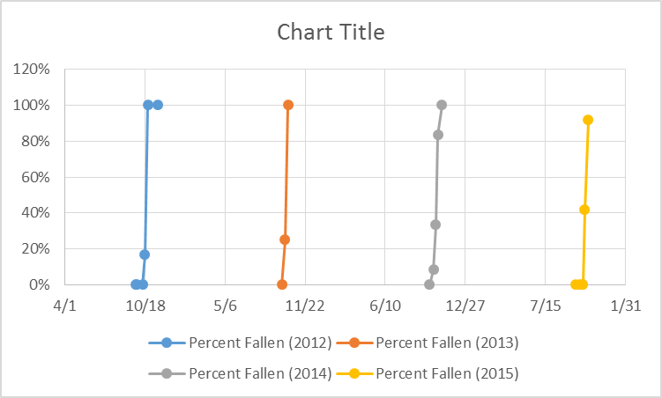
NDH | Lockett | 2012-10-12 | 286 | 3 | SO | 12 | 0 | 1 | 0% |  | 2016-09-29 |  |  | 0%
NDH | Lockett | 2012-10-18 | 292 | 3 | SO | 12 | 0 | 2 | 0% |  | 2016-10-08 |  |  | 8%
NDH | Lockett | 2012-10-26 | 300 | 3 | SO | 12 | 3 | 4 | 25% |  | 2016-10-14 |  |  | 33%
NDH | Lockett | 2012-11-19 | 324 | 3 | SO | 12 | 10 | 4 | 83% |  | 2016-10-20 |  |  | 83%
NDH | Lockett | 2012-09-26 | 270 | 4 | RM | 6 | 0 | 1 | 0% |  | 2016-10-29 |  |  | 100%
NDH | Lockett | 2012-09-27 | 271 | 4 | RM | 6 | 0 | 1 | 0% |  | 2016-09-28 |  |  |  | 0%
NDH | Lockett | 2012-10-12 | 286 | 4 | RM | 12 | 0 | 2 | 0% |  | 2016-10-09 |  |  |  | 0%
NDH | Lockett | 2012-10-18 | 292 | 4 | RM | 12 | 2 | 2 | 17% |  | 2016-10-16 |  |  |  | 0%
NDH | Lockett | 2012-10-26 | 300 | 4 | RM | 12 | 12 | 4 | 100% |  | 2016-10-21 |  |  |  | 42%
NDH | Lockett | 2012-11-19 | 324 | 4 | RM | 12 | 12 | 4 | 100% |  | 2016-10-30 |  |  |  | 92%
NDH | Loux-Turner | 2013-09-25 | 268 | 4 | RM | 12 | 0 | 2 | 0% | F. I realize I have to remove year from the date to graph them all correctly, actually retyping the date w/o the year ( I changed the format so that you can't see year afterwards, when retyping without year they all change to 2016 - this is okay) -->
NDH | Loux-Turner | 2013-10-03 | 276 | 4 | RM | 12 | 3 | 4 | 25%
NDH | Loux-Turner | 2013-10-11 | 284 | 4 | RM | 12 | 12 | 4 | 100%
NDH | Loux-Turner | 2014-09-29 | 272 | 4 | RM | 12 | 0 | 2 | 0%
NDH | Loux-Turner | 2014-10-08 | 281 | 4 | RM | 12 | 1 | 2 | 8% | G. Now I add axes titles and a chart title.
NDH | Loux-Turner | 2014-10-14 | 287 | 4 | RM | 12 | 4 | 4 | 33% | I format the axes to include more dates, and cover only 0-100%. I recolor the lines in rainbow order, red for 2012
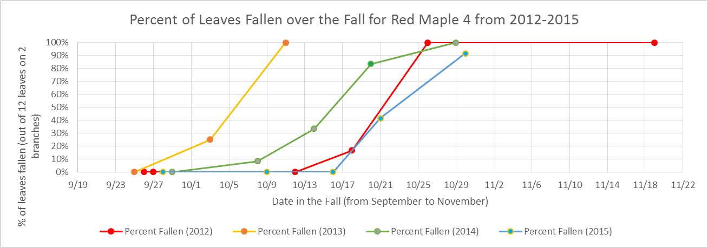
NDH | Loux-Turner | 2014-10-20 | 293 | 4 | RM | 12 | 10 | 4 | 83%
NDH | Loux-Turner | 2014-10-29 | 302 | 4 | RM | 12 | 12 | 4 | 100%
NDH | Loux-Turner | 2015-09-28 | 271 | 4 | RM | 12 | 0 | 1 | 0%
NDH | Loux-Turner | 2015-10-09 | 282 | 4 | RM | 12 | 0 | 1 | 0%
NDH | Loux-Turner | 2015-10-16 | 289 | 4 | RM | 12 | 0 | 3 | 0%
NDH | Loux-Turner | 2015-10-21 | 294 | 4 | RM | 12 | 5 | 3 | 42%
NDH | Loux-Turner | 2015-10-30 | 303 | 4 | RM | 12 | 11 | 4 | 92%
NDH | Lockett | 2012-09-26 | 270 | 5 | SH | 6 | 0 | 2 | 0%
NDH | Lockett | 2012-09-27 | 271 | 5 | SH | 6 | 0 | 2 | 0%
NDH | Lockett | 2012-10-12 | 286 | 5 | SH | 12 | 8 | 4 | 67%
NDH | Lockett | 2012-10-18 | 292 | 5 | SH | 12 | 12 | 4 | 100%
NDH | Lockett | 2012-10-26 | 300 | 5 | SH | 12 | 12 | 4 | 100%
NDH | Lockett | 2012-11-19 | 324 | 5 | SH | 12 | 12 | 4 | 100%
NDH | Loux-Turner | 2013-09-25 | 268 | 5 | SH | 12 | 4 | 2 | 33%
NDH | Loux-Turner | 2013-10-03 | 276 | 5 | SH | 12 | 10 | 4 | 83%
NDH | Loux-Turner | 2013-10-11 | 284 | 5 | SH | 12 | 12 | 4 | 100%
NDH | Loux-Turner | 2013-10-24 | 297 | 5 | SH | 12 | 12 | 4 | 100% | H. Now I would explain the graph in the space that askes me to on the worksheet. What did I graph? What are the data patterns? Are they what I expected?
NDH | Loux-Turner | 2014-09-29 | 272 | 5 | SH | 6 | 0 | 4 | 0%
NDH | Loux-Turner | 2014-10-08 | 281 | 5 | SH | 6 | 1 | 4 | 17%
NDH | Loux-Turner | 2014-10-14 | 287 | 5 | SH | 6 | 4 | 4 | 67%
NDH | Loux-Turner | 2014-10-20 | 293 | 5 | SH | 6 | 6 | 4 | 100%
NDH | Loux-Turner | 2015-10-09 | 282 | 5 | SH | 12 | 0 | 1 | 0%
NDH | Loux-Turner | 2015-10-16 | 289 | 5 | SH | 12 | 0 | 4 | 0%
NDH | Loux-Turner | 2015-10-21 | 294 | 5 | SH | 12 | 8 | 4 | 67%
NDH | Loux-Turner | 2015-10-30 | 303 | 5 | SH | 12 | 12 | 4 | 100%
NDH | Lockett | 2012-09-26 | 270 | 6 | HL | 6 | 0 | 1 | 0%
NDH | Lockett | 2012-09-27 | 271 | 6 | HL | 6 | 0 | 1 | 0%
NDH | Lockett | 2012-10-12 | 286 | 6 | HL | 12 | 0 | 1 | 0%
NDH | Lockett | 2012-10-18 | 292 | 6 | HL | 12 | 0 | 4 | 0%
NDH | Lockett | 2012-10-26 | 300 | 6 | HL | 12 | 2 | 4 | 17%
NDH | Lockett | 2012-11-19 | 324 | 6 | HL | 12 | 12 | 4 | 100%
NDH | Loux-Turner | 2013-09-26 | 269 | 6 | HL | 12 | 0 | 1 | 0%
NDH | Loux-Turner | 2013-10-03 | 276 | 6 | HL | 12 | 1 | 1 | 8%
NDH | Loux-Turner | 2013-10-10 | 283 | 6 | HL | 12 | 1 | 1 | 8%
NDH | Loux-Turner | 2013-10-23 | 296 | 6 | HL | 12 | 3 | 2 | 25%
NDH | Loux-Turner | 2013-11-04 | 308 | 6 | HL | 12 | 12 | 4 | 100%
NDH | Loux-Turner | 2014-10-07 | 280 | 6 | HL | 12 | 0 | 1 | 0%
NDH | Loux-Turner | 2014-10-14 | 287 | 6 | HL | 12 | 0 | 2 | 0%
NDH | Loux-Turner | 2014-10-20 | 293 | 6 | HL | 12 | 3 | 3 | 25%
NDH | Loux-Turner | 2014-10-29 | 302 | 6 | HL | 12 | 6 | 4 | 50%
NDH | Loux-Turner | 2014-11-05 | 309 | 6 | HL | 12 | 9 | 4 | 75%
NDH | Loux-Turner | 2014-11-13 | 317 | 6 | HL | 12 | 10 | 4 | 83%
NDH | Loux-Turner | 2015-10-09 | 282 | 6 | HL | 12 | 0 | 1 | 0%
NDH | Loux-Turner | 2015-10-16 | 289 | 6 | HL | 12 | 0 | 2 | 0%
NDH | Loux-Turner | 2015-10-21 | 294 | 6 | HL | 12 | 6 | 2 | 50%
NDH | Loux-Turner | 2015-10-30 | 303 | 6 | HL | 12 | 6 | 4 | 50%
NDH | Loux-Turner | 2015-11-02 | 306 | 6 | HL | 12 | 6 | 4 | 50%
NDH | Loux-Turner | 2015-11-13 | 317 | 6 | HL | 12 | 12 | 4 | 100%
NDH | Lockett | 2012-09-26 | 270 | 7 | BH | 6 | 0 | 1 | 0%
NDH | Lockett | 2012-09-27 | 271 | 7 | BH | 6 | 0 | 1 | 0%
NDH | Lockett | 2012-10-12 | 286 | 7 | BH | 12 | 0 | 1 | 0%
NDH | Lockett | 2012-10-18 | 292 | 7 | BH | 12 | 0 | 3 | 0%
NDH | Lockett | 2012-10-26 | 300 | 7 | BH | 12 | 0 | 4 | 0%
NDH | Lockett | 2012-11-19 | 324 | 7 | BH | 12 | 12 | 4 | 100%
NDH | Loux-Turner | 2013-09-26 | 269 | 7 | BH | 12 | 0 | 1 | 0%
NDH | Loux-Turner | 2013-10-23 | 296 | 7 | BH | 12 | 0 | 1 | 0%
NDH | Loux-Turner | 2013-11-04 | 308 | 7 | BH | 12 | 3 | 4 | 25%
NDH | Loux-Turner | 2013-11-22 | 326 | 7 | BH | 12 | 12 | 4 | 100%
NDH | Loux-Turner | 2014-10-02 | 275 | 7 | BH | 10 | 0 | 1 | 0%
NDH | Loux-Turner | 2014-10-07 | 280 | 7 | BH | 10 | 0 | 1 | 0%
NDH | Loux-Turner | 2014-10-14 | 287 | 7 | BH | 10 | 1 | 2 | 10%
NDH | Loux-Turner | 2014-10-20 | 293 | 7 | BH | 10 | 2 | 2 | 20%
NDH | Loux-Turner | 2014-10-29 | 302 | 7 | BH | 10 | 6 | 4 | 60%
NDH | Loux-Turner | 2014-11-05 | 309 | 7 | BH | 10 | 8 | 4 | 80%
NDH | Loux-Turner | 2014-11-13 | 317 | 7 | BH | 10 | 10 | 4 | 100%
NDH | Loux-Turner | 2015-10-09 | 282 | 7 | BH | 12 | 0 | 1 | 0%
NDH | Loux-Turner | 2015-10-16 | 289 | 7 | BH | 12 | 0 | 2 | 0%
NDH | Loux-Turner | 2015-10-21 | 294 | 7 | BH | 12 | 0 | 2 | 0%
NDH | Loux-Turner | 2015-10-30 | 303 | 7 | BH | 12 | 0 | 4 | 0%
NDH | Loux-Turner | 2015-11-02 | 306 | 7 | BH | 12 | 0 | 4 | 0%
NDH | Loux-Turner | 2015-11-13 | 317 | 7 | BH | 12 | 12 | 4 | 100%
NDH | Lockett | 2012-09-26 | 270 | 8 | PC | 6 | 0 | 1 | 0%
NDH | Lockett | 2012-09-27 | 271 | 8 | PC | 6 | 0 | 1 | 0%
NDH | Lockett | 2012-10-12 | 286 | 8 | PC | 12 | 0 | 1 | 0%
NDH | Lockett | 2012-10-18 | 292 | 8 | PC | 12 | 1 | 2 | 8%
NDH | Lockett | 2012-10-26 | 300 | 8 | PC | 12 | 8 | 2 | 67%
NDH | Lockett | 2012-11-19 | 324 | 8 | PC | 12 | 12 | 4 | 100%
NDH | Loux-Turner | 2013-09-26 | 269 | 8 | PC | 12 | 0 | 2 | 0%
NDH | Loux-Turner | 2013-10-03 | 276 | 8 | PC | 12 | 0 | 2 | 0%
NDH | Loux-Turner | 2013-10-10 | 283 | 8 | PC | 12 | 7 | 4 | 58%
NDH | Loux-Turner | 2013-10-23 | 296 | 8 | PC | 12 | 10 | 4 | 83%
NDH | Loux-Turner | 2013-11-04 | 308 | 8 | PC | 12 | 12 | 4 | 100%
NDH | Loux-Turner | 2014-10-14 | 287 | 8 | PC | 8 | 0 | 1 | 0%
NDH | Loux-Turner | 2014-10-20 | 293 | 8 | PC | 8 | 0 | 3 | 0%
NDH | Loux-Turner | 2014-10-29 | 302 | 8 | PC | 8 | 0 | 4 | 0%
NDH | Loux-Turner | 2014-11-05 | 309 | 8 | PC | 8 | 8 | 4 | 100%
NDH | Loux-Turner | 2015-09-28 | 271 | 8 | PC | 12 | 0 | 1 | 0%
NDH | Loux-Turner | 2015-10-09 | 282 | 8 | PC | 12 | 0 | 2 | 0%
NDH | Loux-Turner | 2015-10-16 | 289 | 8 | PC | 12 | 1 | 2 | 8%
NDH | Loux-Turner | 2015-10-21 | 294 | 8 | PC | 12 | 5 | 3 | 42%
NDH | Loux-Turner | 2015-10-30 | 303 | 8 | PC | 12 | 12 | 4 | 100%
NDH | Lockett | 2012-09-26 | 270 | 9 | SO | 6 | 0 | 1 | 0%
NDH | Lockett | 2012-09-27 | 271 | 9 | SO | 6 | 0 | 1 | 0%
NDH | Lockett | 2012-10-12 | 286 | 9 | SO | 12 | 1 | 1 | 8%
NDH | Lockett | 2012-10-18 | 292 | 9 | SO | 12 | 2 | 1 | 17%
NDH | Lockett | 2012-10-26 | 300 | 9 | SO | 12 | 2 | 2 | 17%
NDH | Lockett | 2012-11-19 | 324 | 9 | SO | 12 | 9 | 4 | 75%
NDH | Loux-Turner | 2013-09-26 | 269 | 9 | SO | 12 | 0 | 1 | 0%
NDH | Loux-Turner | 2013-10-03 | 276 | 9 | SO | 12 | 0 | 1 | 0%
NDH | Loux-Turner | 2013-10-10 | 283 | 9 | SO | 12 | 0 | 1 | 0%
NDH | Loux-Turner | 2013-10-23 | 296 | 9 | SO | 12 | 0 | NA | 0%
NDH | Loux-Turner | 2013-11-04 | 308 | 9 | SO | 12 | 0 | 4 | 0%
NDH | Loux-Turner | 2013-11-22 | 326 | 9 | SO | 12 | 0 | 4 | 0%
NDH | Loux-Turner | 2013-11-26 | 330 | 9 | SO | 12 | 3 | 4 | 25%
NDH | Loux-Turner | 2013-12-04 | 338 | 9 | SO | 12 | 6 | 4 | 50%
NDH | Loux-Turner | 2014-10-20 | 293 | 9 | SO | 12 | 0 | 1 | 0%
NDH | Loux-Turner | 2014-10-29 | 302 | 9 | SO | 12 | 0 | 2 | 0%
NDH | Loux-Turner | 2014-11-05 | 309 | 9 | SO | 12 | 0 | 4 | 0%
NDH | Loux-Turner | 2015-10-21 | 294 | 9 | SO | 12 | 0 | 1 | 0%
NDH | Loux-Turner | 2015-10-30 | 303 | 9 | SO | 12 | 0 | 2 | 0%
NDH | Loux-Turner | 2015-11-02 | 306 | 9 | SO | 12 | 1 | 3 | 8%
NDH | Loux-Turner | 2015-11-13 | 317 | 9 | SO | 12 | 1 | 4 | 8%
NDH | Lockett | 2012-09-26 | 270 | 10 | RM | 6 | 0 | 1 | 0%
NDH | Lockett | 2012-09-27 | 271 | 10 | RM | 6 | 0 | 1 | 0%
NDH | Lockett | 2012-10-12 | 286 | 10 | RM | 12 | 1 | 1 | 8%
NDH | Lockett | 2012-10-18 | 292 | 10 | RM | 12 | 1 | 1 | 8%
NDH | Lockett | 2012-10-26 | 300 | 10 | RM | 12 | 7 | 3 | 58%
NDH | Lockett | 2012-11-19 | 324 | 10 | RM | 12 | 12 | 4 | 100%
NDH | Lockett | 2012-09-26 | 270 | 11 | PC | 6 | 0 | 1 | 0%
NDH | Lockett | 2012-09-27 | 271 | 11 | PC | 6 | 0 | 1 | 0%
NDH | Lockett | 2012-10-12 | 286 | 11 | PC | 12 | 0 | 1 | 0%
NDH | Lockett | 2012-10-18 | 292 | 11 | PC | 12 | 0 | 2 | 0%
NDH | Lockett | 2012-10-26 | 300 | 11 | PC | 12 | 10 | 4 | 83%
NDH | Lockett | 2012-11-19 | 324 | 11 | PC | 12 | 12 | 4 | 100%
NDH | Loux-Turner | 2013-09-26 | 269 | 11 | PC | 12 | 0 | 1 | 0%
NDH | Loux-Turner | 2013-10-03 | 276 | 11 | PC | 12 | 0 | 2 | 0%
NDH | Loux-Turner | 2013-10-10 | 283 | 11 | PC | 12 | 0 | 1 | 0%
NDH | Loux-Turner | 2013-10-23 | 296 | 11 | PC | 12 | 2 | 2 | 17%
NDH | Loux-Turner | 2013-11-04 | 308 | 11 | PC | 12 | 8 | 4 | 67%
NDH | Loux-Turner | 2013-11-26 | 330 | 11 | PC | 12 | 12 | 4 | 100%
NDH | Loux-Turner | 2014-09-30 | 273 | 11 | BC | 12 | 0 | 1 | 0%
NDH | Loux-Turner | 2014-10-08 | 281 | 11 | BC | 12 | 1 | 1 | 8%
NDH | Loux-Turner | 2014-10-14 | 287 | 11 | BC | 12 | 1 | 1 | 8%
NDH | Loux-Turner | 2014-10-20 | 293 | 11 | BC | 12 | 4 | 3 | 33%
NDH | Loux-Turner | 2014-10-29 | 302 | 11 | BC | 12 | 7 | 4 | 58%
NDH | Loux-Turner | 2014-11-05 | 309 | 11 | BC | 12 | 12 | 4 | 100%
NDH | Loux-Turner | 2015-11-02 | 306 | 11 | PC | 12 | 0 | 1 | 0%
NDH | Loux-Turner | 2015-11-13 | 317 | 11 | PC | 12 | 12 | 4 | 100%
NDH | Lockett | 2012-09-26 | 270 | 12 | BB | 6 | 0 | 2 | 0%
NDH | Lockett | 2012-09-27 | 271 | 12 | BB | 6 | 0 | 2 | 0%
NDH | Lockett | 2012-10-12 | 286 | 12 | BB | 12 | 2 | 3 | 17%
NDH | Lockett | 2012-10-18 | 292 | 12 | BB | 12 | 5 | 4 | 42%
NDH | Lockett | 2012-10-26 | 300 | 12 | BB | 12 | 11 | 4 | 92%
NDH | Lockett | 2012-11-19 | 324 | 12 | BB | 12 | 12 | 4 | 100%
NDH | Loux-Turner | 2013-09-26 | 269 | 12 | BB | 12 | 0 | 2 | 0%
NDH | Loux-Turner | 2013-10-03 | 276 | 12 | BB | 12 | 6 | 4 | 50%
NDH | Loux-Turner | 2013-10-10 | 283 | 12 | BB | 12 | 8 | 4 | 67%
NDH | Loux-Turner | 2013-10-23 | 296 | 12 | BB | 12 | 12 | 4 | 100%
NDH | Loux-Turner | 2014-09-30 | 273 | 12 | BB | 12 | 0 | 2 | 0%
NDH | Loux-Turner | 2014-10-08 | 281 | 12 | BB | 12 | 5 | 3 | 42%
NDH | Loux-Turner | 2014-10-14 | 287 | 12 | BB | 12 | 7 | 3 | 58%
NDH | Loux-Turner | 2014-10-20 | 293 | 12 | BB | 12 | 12 | 3 | 100%
NDH | Loux-Turner | 2014-10-29 | 302 | 12 | BB | 12 | 12 | 4 | 100%
NDH | Loux-Turner | 2015-09-28 | 271 | 12 | BB | 12 | 0 | 1 | 0%
NDH | Loux-Turner | 2015-10-09 | 282 | 12 | BB | 12 | 0 | 2 | 0%
NDH | Loux-Turner | 2015-10-16 | 289 | 12 | BB | 12 | 2 | 3 | 17%
NDH | Loux-Turner | 2015-10-21 | 294 | 12 | BB | 12 | 2 | 3 | 17%
NDH | Loux-Turner | 2015-10-30 | 303 | 12 | BB | 12 | 12 | 4 | 100%
NDH | Loux-Turner | 2013-09-25 | 268 | 13 | SO | 12 | 0 | 1 | 0%
NDH | Loux-Turner | 2013-10-03 | 276 | 13 | SO | 12 | 0 | 1 | 0%
NDH | Loux-Turner | 2013-10-11 | 284 | 13 | SO | 12 | 0 | 2 | 0%
NDH | Loux-Turner | 2013-10-24 | 297 | 13 | SO | 12 | 0 | 2 | 0%
NDH | Loux-Turner | 2013-11-05 | 309 | 13 | SO | 12 | 6 | 4 | 50%
NDH | Loux-Turner | 2013-11-26 | 330 | 13 | SO | 12 | 9 | 4 | 75%
NDH | Loux-Turner | 2013-12-04 | 338 | 13 | SO | 12 | 9 | 4 | 75%
NDH | Loux-Turner | 2014-10-08 | 281 | 13 | SO | 12 | 0 | 1 | 0%
NDH | Loux-Turner | 2014-10-14 | 287 | 13 | SO | 12 | 1 | 2 | 8%
NDH | Loux-Turner | 2014-10-20 | 293 | 13 | SO | 12 | 4 | 2 | 33%
NDH | Loux-Turner | 2014-10-29 | 302 | 13 | SO | 12 | 6 | 2 | 50%
NDH | Loux-Turner | 2014-11-05 | 309 | 13 | SO | 12 | 6 | 3 | 50%
NDH | Loux-Turner | 2014-11-13 | 317 | 13 | SO | 12 | 7 | 4 | 58%
NDH | Loux-Turner | 2015-10-21 | 294 | 13 | SO | 12 | 0 | 1 | 0%
NDH | Loux-Turner | 2015-10-30 | 303 | 13 | SO | 12 | 1 | 1 | 8%
NDH | Loux-Turner | 2015-11-02 | 306 | 13 | SO | 12 | 1 | 2 | 8%
NDH | Loux-Turner | 2015-11-13 | 317 | 13 | SO | 12 | 1 | 4 | 8%
NDH | Loux-Turner | 2013-09-26 | 269 | 14 | BO | 12 | 0 | 1 | 0%
NDH | Loux-Turner | 2013-10-03 | 276 | 14 | BO | 12 | 0 | 1 | 0%
NDH | Loux-Turner | 2013-10-10 | 283 | 14 | BO | 12 | 0 | 1 | 0%
NDH | Loux-Turner | 2013-10-23 | 296 | 14 | BO | 12 | 1 | 2 | 8%
NDH | Loux-Turner | 2013-11-04 | 308 | 14 | BO | 12 | 1 | 4 | 8%
NDH | Loux-Turner | 2013-11-26 | 330 | 14 | BO | 12 | 12 | 4 | 100%
NDH | Loux-Turner | 2014-09-30 | 273 | 14 | BO | 12 | 0 | 1 | 0%
NDH | Loux-Turner | 2014-10-08 | 281 | 14 | BO | 12 | 1 | 2 | 8%
NDH | Loux-Turner | 2014-10-14 | 287 | 14 | BO | 12 | 4 | 2 | 33%
NDH | Loux-Turner | 2014-10-20 | 293 | 14 | BO | 12 | 7 | 2 | 58%
NDH | Loux-Turner | 2014-10-29 | 302 | 14 | BO | 12 | 7 | 2 | 58%
NDH | Loux-Turner | 2014-11-05 | 309 | 14 | BO | 12 | 12 | 4 | 100%
NDH | Loux-Turner | 2015-10-30 | 303 | 14 | BO | 12 | 0 | 1 | 0%
NDH | Loux-Turner | 2015-11-02 | 306 | 14 | BO | 12 | 0 | 3 | 0%
NDH | Loux-Turner | 2015-11-13 | 317 | 14 | BO | 12 | 12 | 4 | 100%
NDH | Loux-Turner | 2013-09-26 | 269 | 15 | BB | 12 | 0 | 1 | 0%
NDH | Loux-Turner | 2013-10-03 | 276 | 15 | BB | 12 | 5 | 2 | 42%
NDH | Loux-Turner | 2013-10-10 | 283 | 15 | BB | 12 | 5 | 2 | 42%
NDH | Loux-Turner | 2013-10-23 | 296 | 15 | BB | 12 | 12 | 4 | 100%
NDH | Loux-Turner | 2014-10-01 | 274 | 15 | BB | 12 | 7 | 2 | 58%
NDH | Loux-Turner | 2014-10-08 | 281 | 15 | BB | 12 | 7 | 2 | 58%
NDH | Loux-Turner | 2014-10-14 | 287 | 15 | BB | 12 | 7 | 3 | 58%
NDH | Loux-Turner | 2014-10-20 | 293 | 15 | BB | 12 | 12 | 3 | 100%
NDH | Loux-Turner | 2014-10-29 | 302 | 15 | BB | 12 | 12 | 4 | 100%
NDH | Loux-Turner | 2014-09-29 | 272 | 16 | BB | 12 | 0 | 2 | 0%
NDH | Loux-Turner | 2014-10-08 | 281 | 16 | BB | 12 | 7 | 4 | 58%
NDH | Loux-Turner | 2014-10-14 | 287 | 16 | BB | 12 | 12 | 4 | 100%
NDH | Loux-Turner | 2014-10-01 | 274 | 17 | WA | 12 | 0 | 4 | 0%
NDH | Loux-Turner | 2014-10-08 | 281 | 17 | WA | 12 | 0 | 4 | 0%
NDH | Loux-Turner | 2014-10-14 | 287 | 17 | WA | 12 | 1 | 4 | 8%
NDH | Loux-Turner | 2014-10-20 | 293 | 17 | WA | 12 | 6 | 4 | 50%
NDH | Loux-Turner | 2014-10-29 | 302 | 17 | WA | 12 | 12 | 4 | 100%
NDH | Loux-Turner | 2015-10-09 | 282 | 17 | WA | 12 | 0 | 1 | 0%
NDH | Loux-Turner | 2015-10-16 | 289 | 17 | WA | 12 | 0 | 4 | 0%
NDH | Loux-Turner | 2015-10-21 | 294 | 17 | WA | 12 | 0 | 4 | 0%
NDH | Loux-Turner | 2015-10-30 | 303 | 17 | WA | 12 | 6 | 4 | 50%
NDH | Loux-Turner | 2015-11-02 | 306 | 17 | WA | 12 | 7 | 4 | 58%
NDH | Loux-Turner | 2015-11-13 | 317 | 17 | WA | 12 | 12 | 4 | 100%

Historical Data NDA
Data Table 2: Historical Data for ALL NDA study trees. This summarizes 50% leaf drop, 50% leaf out, and overall growing season for all years that they are available.
Table 2a: All of the Data, including the calculations for Julian Date and Growing Period
Tree Identification |  | End of Growing Season 2012 |  | End of Growing Season 2013 |  | Growing Season 2014 (number of days) |  |  |  |  | Growing Season 2015 (number of days) |  |  |  |  | Table 2b: Overall Growing Periods for 2014 and 2015 for all study trees at NDA |  |  | Table 2c: End of the Growing Period for 4 years, All study trees at NDA (50% leaf drop)
Tree Common Name | Tree # | End of Growing Period Date (50% Leaf emergence) 2012 | End of Growing Period JULIAN Date(50% Leaf Drop 2012) | End of Growing Period Date (50% Leaf emergence) 2013 | End of Growing Period JULIAN Date(50% Leaf Drop 2013) | Start of Growing Period Date (50% Leaf emergence) 2014 | Start of Growing Period JULIAN Date (50% Leaf emergence) 2014 | End of Growing Period (50% Leaf Drop 2014) | End of Growing Period JULIAN date (50% Leaf Drop 2014) | Overall Growing Period 2014 | Start of Growing Period (50% Leaf emergence 2015 | Start of Growing Period JULIAN Date (50% Leaf emergence) 2015 | End of Growing Period (50% Leaf Drop 2015) | End of Growing Period JULIAN date (50% Leaf Drop 2015) | Overall Growing Period 2015 | Tree Common Name | Overall Growing Period 2014 | Overall Growing Period 2015 | Tree Common Name | 2012 | 2013 | 2014 | 2015
Black Oak | 1 |  |  |  |  | 2014-05-07 | 127 | 2014-11-13 | 309 | 182 | 2015-05-09 | 130 |  |  |  | Black Oak 1 | 182 |  | Black Oak 1 |  |  | 309
Black Cherry | 2 | 2012-10-22 | 296 | 2013-10-04 | 278 | 2014-05-02 | 122 | 2014-10-14 | 287 | 165 | 2015-05-02 | 123 |  |  |  | Black Cherry | 165 |  | Black Cherry | 296 | 278 | 287
Red Maple | 4 | 2012-10-21 | 295 | 2013-10-05 | 279 | 2014-05-07 | 127 | 2014-10-16 | 289 | 162 | 2015-05-29 | 150 | 2015-10-21 | 295 | 145 | Red Maple | 162 | 145 | Red Maple | 295 | 279 | 289 | 295
Shagbark Hickory | 5 | 2012-10-08 | 282 | 2013-09-27 | 271 | 2014-04-27 | 117 | 2014-10-19 | 292 | 175 | 2015-05-02 | 123 | 2015-10-19 | 293 | 170 | Shagbark Hickory | 175 | 170 | Shagbark Hickory | 282 | 271 | 292 | 293
Honey Locust | 6 | 2012-11-05 | 310 | 2013-10-26 | 300 | 2014-05-12 | 132 | 2014-10-29 | 302 | 170 | 2015-05-10 | 130 | 2015-11-01 | 306 | 176 | Honey Locust | 170 | 176 | Honey Locust | 310 | 300 | 302 | 306
Bitternut Hickory | 7 | 2012-11-07 | 312 | 2013-11-09 | 314 | 2014-05-12 | 132 | 2014-10-26 | 299 | 167 | 2015-05-05 | 125 | 2015-11-07 | 312 | 187 | Bitternut Hickory | 167 | 187 | Bitternut Hickory | 312 | 314 | 299 | 312
Pin Cherry | 8 | 2012-10-24 | 298 | 2013-10-08 | 282 | 2014-04-29 | 119 | 2014-09-27 | 306 | 187 | 2015-05-28 | 118 | 2015-10-21 | 295 | 177 | Pin Cherry | 187 | 177 | Pin Cherry | 298 | 282 | 306 | 295
Scarlett Oak | 9 | 2012-11-09 | 314 | 2013-12-03 | 338 | 2014-05-09 | 129 | 2014-10-30 | 303 | 174 | 2015-05-18 | 138 |  |  |  | Scarlett Oak 1 | 174 |  | Scarlett Oak 1 | 314 | 338 | 303
Black Cherry | 11 | 2012-10-25 | 299 | 2013-10-30 | 304 | 2014-05-07 | 127 | 2014-10-26 | 299 | 172 | 2015-05-09 | 129 | 2015-11-07 | 312 | 183 | Black Cherry | 172 | 183 | Black Cherry | 299 | 304 | 299 | 312
Black Birch | 12 | 2012-10-23 | 297 | 2013-10-02 | 276 | 2014-05-06 | 126 | 2014-10-11 | 284 | 158 | 2015-05-03 | 123 | 2015-10-24 | 298 | 175 | Black Birch 12 | 158 | 175 | Black Birch 12 | 297 | 276 | 284 | 298
Scarlett Oak | 13 | 2012-10-19 | 293 | 2013-11-04 | 309 | 2014-05-17 | 137 | 2014-10-29 | 302 | 165 | 2015-05-25 | 146 |  |  |  | Scarlett Oak 13 | 165 |  | Scarlett Oak 13 | 293 | 309 | 302
Black Oak | 14 |  |  | 2013-11-13 | 318 | 2014-05-08 | 128 | 2014-10-19 | 292 | 164 | 2015-05-11 | 131 | 2015-11-07 | 312 | 181 | Black Oak 14 | 164 | 181 | Black Oak 14 |  | 318 | 292 | 312
Black Birch | 15 |  |  | 2013-10-11 | 285 | 2014-05-07 | 127 | 2014-10-01 | 274 | 147 | 2015-05-09 | 129 |  |  |  | Black Birch 15 | 147 |  | Black Birch 15 |  | 285 | 274
Black Birch | 16 |  |  |  |  | 2014-05-06 | 126 | 2014-10-07 | 280 | 154 | 2015-05-07 | 128 |  |  |  | Black Birch 16 | 154 |  | Black Birch 16 |  |  | 280
White Ash | 17 |  |  |  |  |  |  | 2014-10-20 | 293 |  | 2015-05-09 | 129 | 2015-10-29 | 303 | 174 | White Ash |  | 174 | White Ash |  |  | 293 | 303
 | no data collected |  |  |  |  |  |  |  |  |  |  |  |  |  |  |  |  |  | Averages for all trees: | 299.6 | 296.16666667 | 294.14285714 | 302.875
 | no final numbers, data collected
Data Notes: | Spring 2014 (no data for white ash; red maple data from Waltham High School, birch tree 16 data from birch 12)
 |  |  |  |  |  |  | Mrs. M's -all same as HF |  | Mrs. M's -all same as HF |  |  | Mrs. M's -all same as HF |  | All Data from HF calc.

6. Examples for Final question number 6 on the Student Data tab- manipulating data and making graphs on your own
Example: Copy the portion of the table that you will use as it is into your spreadsheet "Student Data" and then reorganize it as you need to into another table below.You could follow similar steps, and gather the data as I have done, only in your spreadsheet "Student data" to compare the trees over the years
A. Looked over this spreadsheet, I notice that we have the overall growing period for 2 full growing seasons for most trees.
B. Did growing seasons get longer from 2014 - 2015? This is only one year, but maybe it fits the overall pattern.
C. I want to compare overall growing season in all study trees, so I can just copy the middle table. Into my student data sheet
D. I decided to resort the table by tree species before copying and pasting it, it makes more sense. I do this by highlighting the table, including the "tree common name" row of column titles, and clicking on sort & filter, custom sort, sort by "Tree Common Name"
E. Copy and paste the data you would need (into "student data", not here, this is just my example)
Table 2c: Overall Growing Periods for 2014 and 2015 for all study trees at NDA
Tree Common Name | Overall Growing Period 2014 | Overall Growing Period 2015
Bitternut Hickory | 167 | 187
Black Birch 12 | 158 | 175
Black Birch 15 | 147
Black Birch 16 | 154
Black Cherry | 165
Black Cherry | 172 | 183
Black Oak 1 | 182
Black Oak 14 | 164 | 181
Honey Locust | 170 | 176
Pin Cherry | 187 | 177
Red Maple | 162 | 145
Scarlett Oak 1 | 174
Scarlett Oak 13 | 165
Shagbark Hickory | 175 | 170
White Ash |  | 174

F. I try graphing with the data as is, without reorganizing, and it works!
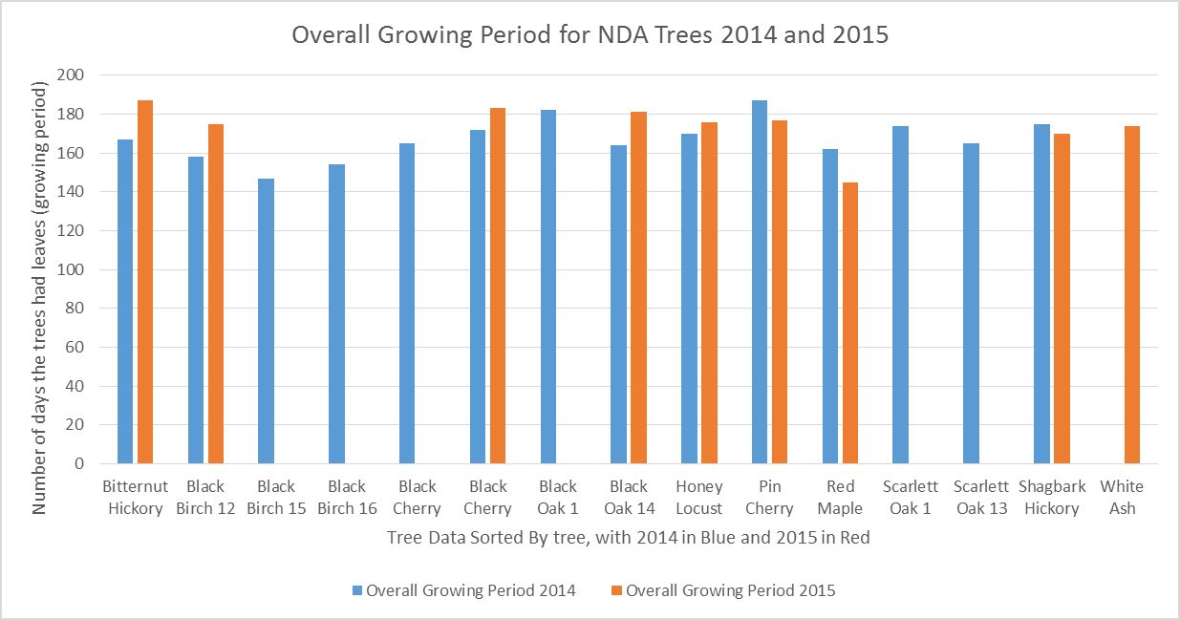

F. I think to myself, this graph is hard to read - I should delete the trees that don't have 2 years of data. I delete them from the table and try again. I include both versions so that I can discuss my thought process in the (H) explanation section.

Overall Growing Periods for 2014 and 2015 for all study trees at NDA
Tree Common Name | Overall Growing Period 2014 | Overall Growing Period 2015
Bitternut Hickory | 167 | 187
Black Birch 12 | 158 | 175
Black Cherry | 172 | 183
Black Oak 14 | 164 | 181
Honey Locust | 170 | 176
Pin Cherry | 187 | 177
Red Maple | 162 | 145
Shagbark Hickory | 175 | 170
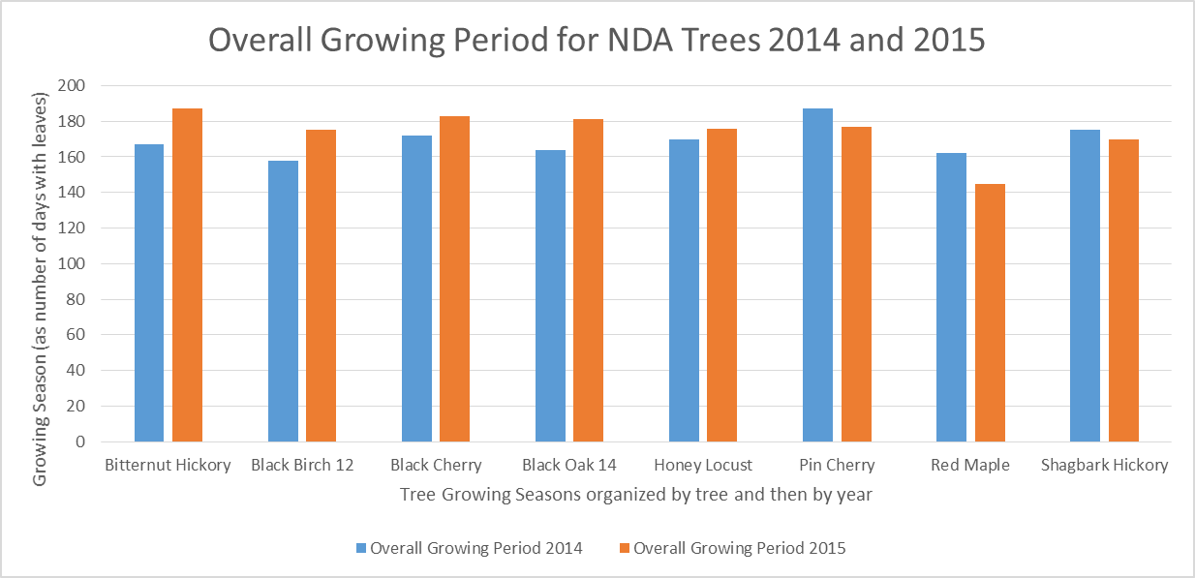

G. I place graphs below data tables and label the graph and the axes (y and x).
H. Now I would explain the graph in the space that askes me to on the worksheet. What did I graph? What are the data patterns? Are they what I expected?

All HF data drop, out, season
THIS DATA SHEET CONTAINS the 50% bud burst spring leaf out, 50% fall leaf drop, and overall growing season information for ALL HF study trees in Massachusetts that are the same species as our study trees. To the right I have rearranged some of the black birch data as an example of how to pull data and rearrange it for a bar graph.
Table 3: ALL 50% leaf out, 50% leaf drop and overall growing season data for all trees that are the same species as ours in the schoolyard study |  |  |  |  |  |  |  | 6. Examples for Final question number 6 on the Student data tab - manipulating data and making graphs on your own
School Code | Teacher | Year | Tree ID | Species Code | Bud Burst | Leaf Drop | Growing Season | Example: I will compare all black birch trees in the HF program in Mass over the study years. It is easiest to compare growing season or leaf drop between trees and years using bar graphs. Data must be rearranged so that each tree has its own row because I am considering year and tree number.
DFA | Farrow | 2011 | 2 | BB | 124 | 305 | 181 | A. Looked over this spreadsheet, I notice that many study trees are black birches like mine.
DFA | Farrow | 2012 | 2 | BB | 114 | 293 | 179 | B. How does the overall growing season compare for all black birches in the HF study, over all of the years that they have been studied? I expect to see them increase a little as the years go on, perhaps some locations will increase more than others.
DFA | Farrow | 2013 | 2 | BB | 119 | 286 | 167 | C. and D. Black birches are all together, I can copy and paste from the table as it is.
DFA | Farrow | 2014 | 2 | BB | 128 | 282 | 154 | E. Copy and paste the data you would need (into "student data", not here, this is just my example)
DFA | Farrow | 2015 | 2 | BB | 125 | 287 | 162 | School Code | Teacher | Year | Tree ID | Species Code | Bud Burst | Leaf Drop | Growing Season
WSM | Greene | 2008 | 7 | BB | 114 | 281 | 167 | DFA | Farrow | 2011 | 2 | BB | 124 | 305 | 181
WSM | Greene | 2009 | 7 | BB | 120 | 285 | 165 | DFA | Farrow | 2012 | 2 | BB | 114 | 293 | 179
WSM | Greene | 2010 | 7 | BB | 110 | 287 | 177 | DFA | Farrow | 2013 | 2 | BB | 119 | 286 | 167
WSM | Greene | 2008 | 9 | BB | 114 | 284 | 170 | DFA | Farrow | 2014 | 2 | BB | 128 | 282 | 154
WSM | Greene | 2009 | 9 | BB | 118 | 285 | 167 | DFA | Farrow | 2015 | 2 | BB | 125 | 287 | 162
AHE | Rosenthal | 2011 | 9 | BB | 122 | 280 | 158 | WSM | Greene | 2008 | 7 | BB | 114 | 281 | 167
NDH | Loux-Turner | 2014 | 12 | BB | 126 | 284 | 158 | WSM | Greene | 2009 | 7 | BB | 120 | 285 | 165
NDH | Loux-Turner | 2014 | 2 | BC | 122 | 287 | 165 | WSM | Greene | 2010 | 7 | BB | 110 | 287 | 177
PCS | Donelan | 2007 | 4 | BC | 127 | 276 | 149 | WSM | Greene | 2008 | 9 | BB | 114 | 284 | 170
PCS | Donelan | 2008 | 4 | BC | 128 | 289 | 161 | WSM | Greene | 2009 | 9 | BB | 118 | 285 | 167
AHE | Rosenthal | 2012 | 4 | BC | 89 | 289 | 200 | AHE | Rosenthal | 2011 | 9 | BB | 122 | 280 | 158
AHE | Rosenthal | 2013 | 4 | BC | 108 | 285 | 177 | NDH | Loux-Turner | 2014 | 12 | BB | 126 | 284 | 158
WSM | Greene | 2008 | 8 | BC | 121 | 287 | 166 | F. I try to make a bar graph, using Tree ID and the growing season column
WSM | Greene | 2009 | 8 | BC | 120 | 295 | 175 | F. This looks funny, I try using Year and the growing season column.
CHH | Bruell | 2014 | 9 | BC | 144 | 290 | 146 | F. I reorganize the table so that each tree has its own row, this works best for bar graphs that are sorted by 2 things (year and tree #)
NDH | Loux-Turner | 2014 | 11 | BC | 126 | 299 | 173 | F. If I click "more column charts" instead of just the first column button, I can find 2 of 3 options that makes sense, posted below.
GRH | Van Valkenburg | 2009 | 12 | BC | 113 | 262 | 149 | School Code | Teacher | Year | 2008 | 2009 | 2010 | 2011 | 2012 | 2013 | 2014 | 2015
GRH | Van Valkenburg | 2010 | 12 | BC | 93 | 290 | 197 | DFA | Farrow | Tree 2 |  |  |  | 181 | 179 | 167 | 154 | 162
DHE | Skillings | 2010 | 13 | BC | 98 | 295 | 197 | WSM | Greene | Tree 7 | 167 | 165 | 177
DHE | Skillings | 2011 | 13 | BC | 120 | 307 | 187 | WSM | Greene | Tree 9 | 170 | 167
DHE | Skillings | 2012 | 13 | BC | 108 | 301 | 193 | NDA | Loux-Turner | Tree 12 |  |  | 158
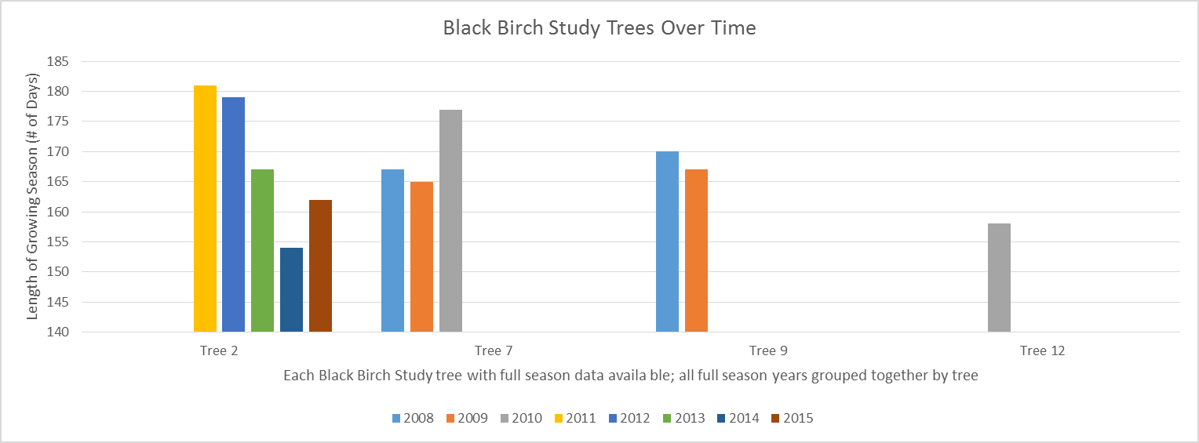
DHE | Skillings | 2013 | 13 | BC | 120 | 292 | 172
DHE | Skillings | 2014 | 13 | BC | 123 | 292 | 169
CCH | Murphy | 2011 | 22 | BC | 106 | 301 | 195
CCH | Murphy | 2012 | 22 | BC | 106 | 285 | 179
PIK | Santella | 2013 | 32 | BC | 120 | 307 | 187
NDH | Loux-Turner | 2014 | 7 | BH | 132 | 300 | 168
NDH | Loux-Turner | 2015 | 7 | BH | 126 | 312 | 186
NDH | Loux-Turner | 2014 | 1 | BO | 127 | 309 | 182
APS | Blewitt | 2007 | 6 | BO | 133 | 298 | 165
TMH | Senechal | 2009 | 10 | BO | 138 | 304 | 166
TMH | Senechal | 2010 | 10 | BO | 108 | 297 | 189
NDH | Loux-Turner | 2014 | 14 | BO | 128 | 291 | 163
NDH | Loux-Turner | 2015 | 14 | BO | 124 | 312 | 188
APS | Blewitt | 2011 | 16 | BO | 134 | 320 | 186 | School Code | Teacher | Year | 2008 | 2009 | 2010 | 2011 | 2012 | 2013 | 2014 | 2015
APS | Blewitt | 2011 | 17 | BO | 132 | 326 | 194 | DFA | Farrow | Tree 2 |  |  |  | 181 | 179 | 167 | 154 | 162
APS | Blewitt | 2011 | 20 | BO | 132 | 315 | 183 | WSM | Greene | Tree 7 | 167 | 165 | 177
WNM | Lucia | 2012 | 4 | HL | 110 | 300 | 190 | WSM | Greene | Tree 9 | 170 | 167
WNM | Lucia | 2013 | 4 | HL | 122 | 297 | 175 | NDA | Loux-Turner | Tree 12 |  |  | 158
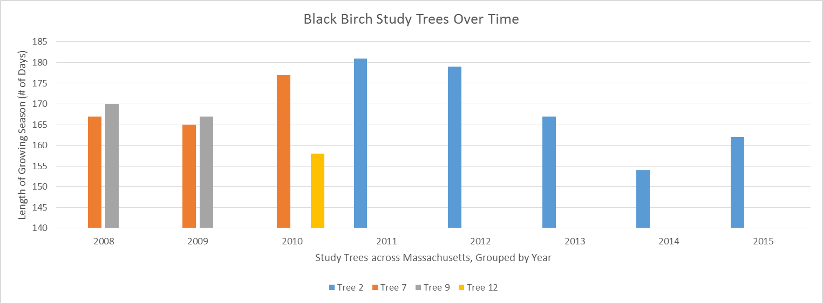
SHS | McDermott | 2008 | 6 | HL | 122 | 300 | 178
SHS | McDermott | 2010 | 6 | HL | 117 | 307 | 190
SHS | McDermott | 2011 | 6 | HL | 113 | 308 | 195
NDH | Loux-Turner | 2014 | 6 | HL | 136 | 302 | 166
NDH | Loux-Turner | 2015 | 6 | HL | 129 | 306 | 177
CCE | Capeless | 2009 | 10 | HL | 120 | 274 | 154
CCE | Capeless | 2010 | 10 | HL | 124 | 281 | 157
CCE | Capeless | 2011 | 10 | HL | 140 | 269 | 129
CCE | Capeless | 2012 | 10 | HL | 132 | 280 | 148
CCE | Capeless | 2013 | 10 | HL | 134 | 263 | 129
CCE | Capeless | 2014 | 10 | HL | 135 | 280 | 145
WSM | Greene | 2009 | 12 | HL | 118 | 299 | 181
WSM | Greene | 2010 | 12 | HL | 111 | 308 | 197
OMS | Mossman | 2011 | 3 | PC | 122 | 268 | 146
OMS | Mossman | 2012 | 3 | PC | 107 | 277 | 170
OMS | Mossman | 2013 | 3 | PC | 127 | 274 | 147
OMS | Mossman | 2014 | 3 | PC | 127 | 275 | 148
NDH | Loux-Turner | 2014 | 8 | PC | 119 | 306 | 187
NDH | Loux-Turner | 2015 | 8 | PC | 118 | 295 | 177
NDH | Loux-Turner | 2015 | 11 | PC | 128 | 312 | 184 | G. I place graphs below data tables and label the graph and the axes (y and x). I decide to keep both because they "tell the story" differently.
PIK | Santella | 2011 | 21 | PC | 120 | 311 | 191 | H. Now I would explain the graph in the space that askes me to on the worksheet. What did I graph? What are the data patterns? Are they what I expected?
TCA | Casey | 2014 | 1 | RM | 129 | 282 | 153
HBH | Rotelli | 2014 | 1 | RM | 126 | 296 | 170
BHS | Levy | 2009 | 2 | RM | 120 | 276 | 156
BHS | Levy | 2010 | 2 | RM | 118 | 267 | 149
BHS | Levy | 2011 | 2 | RM | 126 | 293 | 167
BHS | Levy | 2013 | 2 | RM | 120 | 282 | 162
BHS | Levy | 2014 | 2 | RM | 130 | 276 | 146
TCA | Casey | 2014 | 2 | RM | 131 | 279 | 148
HBH | Rotelli | 2014 | 2 | RM | 122 | 283 | 161
BHS | Levy | 2015 | 2 | RM | 125 | 293 | 168
ARM | Miller | 2005 | 3 | RM | 117 | 277 | 160
ARM | Miller | 2006 | 3 | RM | 127 | 277 | 150
ARM | Miller | 2007 | 3 | RM | 125 | 269 | 144
ARM | Miller | 2008 | 3 | RM | 125 | 282 | 157
ARM | Miller | 2009 | 3 | RM | 123 | 287 | 164
SHS | McDermott | 2010 | 3 | RM | 99 | 294 | 195
AHE | Rosenthal | 2011 | 3 | RM | 119 | 304 | 185
GDH | McCracken | 2012 | 3 | RM | 111 | 289 | 178
AHE | Rosenthal | 2012 | 3 | RM | 109 | 293 | 184
GDH | McCracken | 2013 | 3 | RM | 117 | 286 | 169
GDH | McCracken | 2014 | 3 | RM | 130 | 285 | 155
GDH | McCracken | 2015 | 3 | RM | 126 | 295 | 169
ARM | Miller | 2005 | 4 | RM | 128 | 286 | 158
ARM | Miller | 2006 | 4 | RM | 123 | 288 | 165
ARM | Miller | 2008 | 4 | RM | 121 | 287 | 166
ARM | Miller | 2009 | 4 | RM | 126 | 289 | 163
CCE | Capeless | 2009 | 4 | RM | 128 | 294 | 166
CCE | Capeless | 2010 | 4 | RM | 123 | 272 | 149
OMS | Mossman | 2010 | 4 | RM | 113 | 273 | 160
OMS | Mossman | 2011 | 4 | RM | 125 | 284 | 159
CCE | Capeless | 2011 | 4 | RM | 126 | 293 | 167
AHS | Scott | 2011 | 4 | RM | 114 | 316 | 202
CCE | Capeless | 2012 | 4 | RM | 131 | 293 | 162
OMS | Mossman | 2012 | 4 | RM | 108 | 275 | 167
CCE | Capeless | 2013 | 4 | RM | 126 | 279 | 153
OMS | Mossman | 2013 | 4 | RM | 124 | 279 | 155
OMS | Mossman | 2014 | 4 | RM | 136 | 276 | 140
CCE | Capeless | 2014 | 4 | RM | 137 | 285 | 148
AWM | Theberge | 2014 | 4 | RM | 135 | 288 | 153
TCA | Casey | 2014 | 4 | RM | 119 | 277 | 158
NDH | Loux-Turner | 2015 | 4 | RM | 150 | 295 | 145
WSM | Greene | 2009 | 5 | RM | 129 | 284 | 155
BES | Meehan | 2010 | 5 | RM | 141 | 279 | 138
BES | Meehan | 2011 | 5 | RM | 119 | 283 | 164
WNM | Lucia | 2012 | 5 | RM | 110 | 290 | 180
WNM | Lucia | 2013 | 5 | RM | 109 | 295 | 186
HBH | Rotelli | 2014 | 5 | RM | 120 | 279 | 159
TCA | Casey | 2014 | 5 | RM | 131 | 293 | 162
BHS | Levy | 2009 | 6 | RM | 121 | 287 | 166
BES | Meehan | 2010 | 6 | RM | 141 | 288 | 147
BHS | Levy | 2010 | 6 | RM | 109 | 289 | 180
BES | Meehan | 2011 | 6 | RM | 135 | 290 | 155
BHS | Levy | 2011 | 6 | RM | 122 | 300 | 178
BHS | Levy | 2013 | 6 | RM | 118 | 292 | 174
BHS | Levy | 2014 | 6 | RM | 130 | 287 | 157
BHS | Levy | 2015 | 6 | RM | 123 | 296 | 173
ARM | Miller | 2005 | 7 | RM | 122 | 280 | 158
ARM | Miller | 2006 | 7 | RM | 110 | 277 | 167
ARM | Miller | 2008 | 7 | RM | 143 | 291 | 148
ARM | Miller | 2009 | 7 | RM | 120 | 287 | 167
BES | Meehan | 2010 | 7 | RM | 141 | 277 | 136
BES | Meehan | 2011 | 7 | RM | 133 | 290 | 157
ARM | Miller | 2006 | 9 | RM | 110 | 279 | 169
ARM | Miller | 2007 | 9 | RM | 117 | 290 | 173
APS | Blewitt | 2007 | 9 | RM | 120 | 296 | 176
ARM | Miller | 2008 | 9 | RM | 116 | 285 | 169
ARM | Miller | 2009 | 9 | RM | 118 | 278 | 160
HCH | LeTellier | 2012 | 9 | RM | 109 | 301 | 192
HCH | LeTellier | 2013 | 9 | RM | 115 | 306 | 191
HCH | LeTellier | 2014 | 9 | RM | 120 | 297 | 177
FMS | Shluger | 2009 | 10 | RM | 112 | 299 | 187
WSM | Greene | 2008 | 11 | RM | 117 | 290 | 173
WSM | Greene | 2009 | 11 | RM | 115 | 288 | 173
WSM | Greene | 2010 | 11 | RM | 116 | 296 | 180
FMS | Shluger | 2010 | 11 | RM | 114 | 296 | 182
CCH | Murphy | 2012 | 11 | RM | 113 | 296 | 183
CCH | Murphy | 2013 | 11 | RM | 118 | 296 | 178
CCH | Murphy | 2014 | 11 | RM | 125 | 289 | 164
CCE | Capeless | 2009 | 12 | RM | 125 | 283 | 158
CCE | Capeless | 2010 | 12 | RM | 121 | 299 | 178
CCE | Capeless | 2011 | 12 | RM | 132 | 302 | 170
AHE | Rosenthal | 2011 | 12 | RM | 125 | 299 | 174
CCH | Murphy | 2012 | 12 | RM | 111 | 285 | 174
CCE | Capeless | 2012 | 12 | RM | 85 | 293 | 208
CCH | Murphy | 2013 | 12 | RM | 118 | 280 | 162
CCE | Capeless | 2013 | 12 | RM | 128 | 291 | 163
CCH | Murphy | 2014 | 12 | RM | 127 | 285 | 158
UPH | Dwyer | 2009 | 13 | RM | 116 | 307 | 191
CCH | Murphy | 2012 | 13 | RM | 107 | 284 | 177
CCH | Murphy | 2013 | 13 | RM | 114 | 275 | 161
CCH | Murphy | 2014 | 13 | RM | 137 | 289 | 152
AHE | Rosenthal | 2014 | 13 | RM | 120 | 290 | 170
NAH | Cochrane | 2009 | 14 | RM | 119 | 287 | 168
NAH | Cochrane | 2010 | 14 | RM | 117 | 290 | 173
CCH | Murphy | 2010 | 14 | RM | 103 | 288 | 185
NAH | Cochrane | 2012 | 14 | RM | 116 | 294 | 178
CCH | Murphy | 2012 | 14 | RM | 107 | 292 | 185
NAH | Cochrane | 2013 | 14 | RM | 113 | 277 | 164
CCH | Murphy | 2014 | 14 | RM | 124 | 272 | 148
CCH | Murphy | 2012 | 15 | RM | 107 | 294 | 187
CCH | Murphy | 2013 | 15 | RM | 113 | 290 | 177
CCH | Murphy | 2014 | 15 | RM | 125 | 292 | 167
CCH | Murphy | 2012 | 16 | RM | 107 | 288 | 181
CCH | Murphy | 2013 | 16 | RM | 122 | 276 | 154
CCH | Murphy | 2014 | 16 | RM | 125 | 288 | 163
CCH | Murphy | 2010 | 17 | RM | 114 | 289 | 175
CCH | Murphy | 2011 | 17 | RM | 117 | 287 | 170
CCH | Murphy | 2012 | 17 | RM | 107 | 283 | 176
CCH | Murphy | 2013 | 17 | RM | 110 | 282 | 172
CCH | Murphy | 2010 | 18 | RM | 112 | 280 | 168
CCH | Murphy | 2012 | 18 | RM | 107 | 295 | 188
CCH | Murphy | 2013 | 18 | RM | 119 | 285 | 166
CCH | Murphy | 2014 | 18 | RM | 127 | 284 | 157
CCH | Murphy | 2010 | 19 | RM | 113 | 291 | 178
CCH | Murphy | 2012 | 19 | RM | 109 | 283 | 174
CCH | Murphy | 2013 | 19 | RM | 119 | 285 | 166
CCH | Murphy | 2014 | 19 | RM | 125 | 271 | 146
HCH | LeTellier | 2012 | 20 | RM | 114 | 299 | 185
NAH | Cochrane | 2013 | 20 | RM | 110 | 273 | 163
HCH | LeTellier | 2013 | 20 | RM | 124 | 310 | 186
HCH | LeTellier | 2014 | 20 | RM | 120 | 305 | 185
GRH | Van Valkenburg | 2010 | 21 | RM | 141 | 285 | 144
HCH | LeTellier | 2012 | 21 | RM | 110 | 298 | 188
HCH | LeTellier | 2013 | 21 | RM | 116 | 310 | 194
HCH | LeTellier | 2014 | 21 | RM | 127 | 310 | 183
GRH | Van Valkenburg | 2009 | 22 | RM | 114 | 290 | 176
GRH | Van Valkenburg | 2010 | 22 | RM | 110 | 301 | 191
NAH | Cochrane | 2010 | 23 | RM | 104 | 297 | 193
PIK | Santella | 2011 | 27 | RM | 126 | 294 | 168
CCH | Murphy | 2013 | 29 | RM | 116 | 296 | 180
CCH | Murphy | 2014 | 29 | RM | 131 | 296 | 165
CCH | Murphy | 2012 | 30 | RM | 129 | 292 | 163
CCH | Murphy | 2013 | 30 | RM | 117 | 304 | 187
CCH | Murphy | 2014 | 30 | RM | 131 | 292 | 161
JRB | Bennett | 2011 | 31 | RM | 120 | 286 | 166
GRH | Van Valkenburg | 2010 | 33 | RM | 110 | 292 | 182
GRH | Van Valkenburg | 2011 | 33 | RM | 131 | 293 | 162
GRH | Van Valkenburg | 2012 | 33 | RM | 115 | 292 | 177
PIK | Santella | 2013 | 36 | RM | 123 | 291 | 168
GRH | Van Valkenburg | 2012 | 42 | RM | 120 | 264 | 144
GRH | Van Valkenburg | 2013 | 42 | RM | 125 | 287 | 162
JRB | Bennett | 2012 | 43 | RM | 116 | 296 | 180
JRB | Bennett | 2012 | 44 | RM | 137 | 292 | 155
AHE | Rosenthal | 2011 | 1 | SH | 141 | 300 | 159
AHE | Rosenthal | 2012 | 1 | SH | 140 | 301 | 161
AHE | Rosenthal | 2014 | 1 | SH | 143 | 294 | 151
PCS | Donelan | 2007 | 3 | SH | 147 | 281 | 134
NDH | Loux-Turner | 2014 | 5 | SH | 118 | 285 | 167
NDH | Loux-Turner | 2015 | 5 | SH | 123 | 293 | 170
WNM | Lucia | 2012 | 7 | SH | 106 | 294 | 188
WNM | Lucia | 2013 | 7 | SH | 137 | 291 | 154
HBH | Rotelli | 2014 | 8 | SH | 129 | 287 | 158
NAH | Cochrane | 2012 | 18 | SH | 126 | 301 | 175
NAH | Cochrane | 2013 | 18 | SH | 136 | 288 | 152
NDH | Loux-Turner | 2014 | 13 | SO | 137 | 309 | 172
UPH | Dwyer | 2009 | 3 | WA | 115 | 281 | 166
DHE | Skillings | 2008 | 5 | WA | 144 | 300 | 156
DHE | Skillings | 2010 | 5 | WA | 129 | 288 | 159
DHE | Skillings | 2011 | 5 | WA | 136 | 288 | 152
DHE | Skillings | 2012 | 5 | WA | 133 | 287 | 154
DHE | Skillings | 2013 | 5 | WA | 144 | 284 | 140
DHE | Skillings | 2014 | 5 | WA | 131 | 279 | 148
NDH | Loux-Turner | 2015 | 17 | WA | 129 | 303 | 174
GRH | Van Valkenburg | 2009 | 23 | WA | 134 | 277 | 143
GRH | Van Valkenburg | 2010 | 23 | WA | 137 | 268 | 131
GRH | Van Valkenburg | 2009 | 24 | WA | 124 | 274 | 150
GRH | Van Valkenburg | 2012 | 38 | WA | 135 | 285 | 150
GRH | Van Valkenburg | 2012 | 39 | WA | 125 | 289 | 164

